Pivot Table and Chart Dog
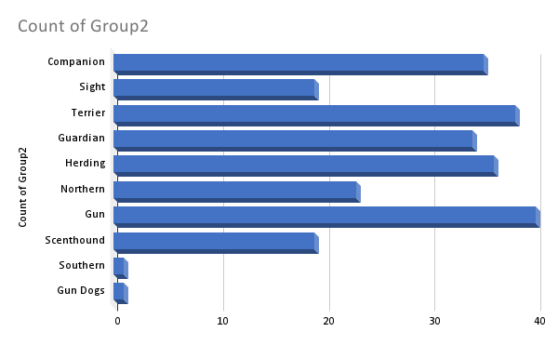

Pivot Table and Chart Cat
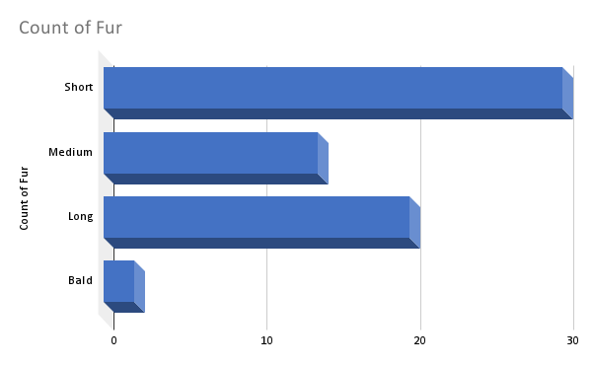

Summary
Qty Sold Dog
total count of cats per fur type
Short | 30
Medium | 14
Long | 20
Bald | 2

total count of dogs per group1
Toy | 21
Sporting | 40
Terrier | 36
Working | 49
Non Sporting | 27
Herding | 37
Hound | 34
Southern | 1

Mode Temperament Cat Breeds | Active, Curious, Easygoing, Playful, Calm
Mode Temperament Dog Breeds | Alert, Energetic, Friendly, Independent, Intelligent, Protective
Total count of cat(affectionate temperament) | 26
Total count of dog(affectionate temperament) | 71
Qty Sold Cat

